Sheet1
 |  | File Name | Façade Name | Façade Image | Suggested House Name
1 | Single Storey Floor Plan | 28 SQ Concept 1 Rev A.pdf | 01 MODERN SS FACADE CONCEPT 1 REV A.jpg |  | The Cove
2 | Single Storey Floor Plan | 30 SQ Concept 1 Rev A.pdf | 01 TRADITIONAL SS FACADE CONCEPT 1 REV B.jpg | 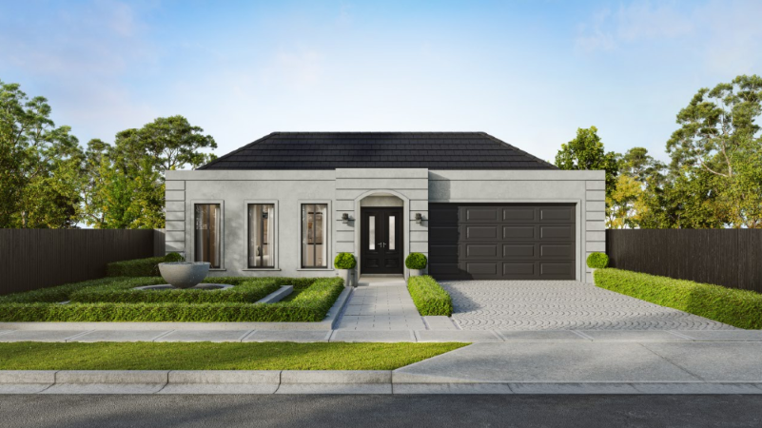 | The Brighton
3 | Single Storey Floor Plan | 33 SQ Concept 1 Rev A.pdf | 01 GABLE SS FACADE CONCEPT 1 REV A.jpg |  | The Elara
4 | Single Storey Floor Plan | 35 SQ Concept 1 Rev A.pdf | 01 MODERN SS FACADE CONCEPT 1 REV A.jpg |  | The Hartley
5 | Single Storey Floor Plan | 28 SQ Concept 1 Rev A.pdf | 02 GABLE SS FACADE CONCEPT 1 REV A.jpg | 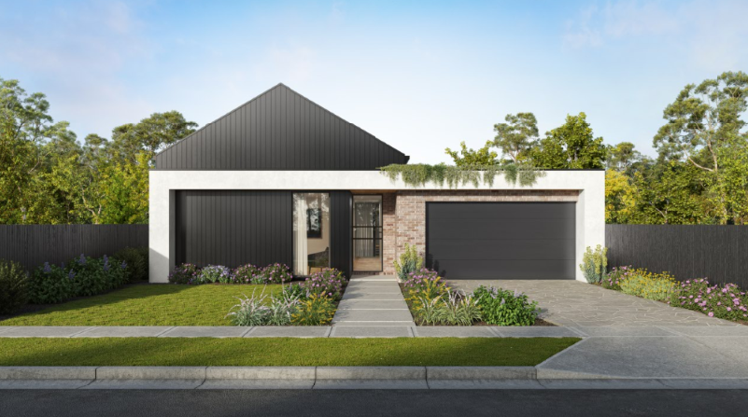 | The Gable
6 | Double Storey Floor Plan | 33 SQ DS Concept 1. Rev A.pdf | 01 GABLE FACADE REV A_1.jpg |  | The Westbury
7 | Double Storey Floor Plan | 38SQ Concept 1 Rev A.pdf | JAPANDI FACADE 1 REV A.jpg | 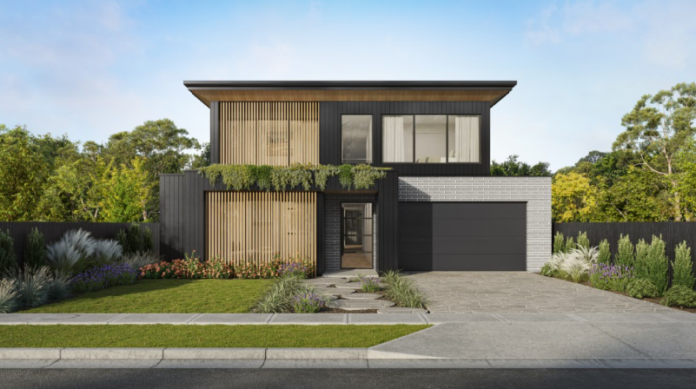 | The Norwood
8 | Double Storey Floor Plan | 42 SQ Concept 1 Rev A.pdf | 02 GABLE FACADE 1 REV A.jpg |  | The Fairmont
9 | Double Storey Floor Plan | 45SQ C Concept 1 Rev A.pdf | HAMPTONS FACADE 1 REV B.jpg |  | The Somerton
10 | Double Storey Floor Plan | 45SQ Concept 1 Rev A.pdf | MODERN CURVE FACADE 1 REV B.jpg |  | The Luma
11 | Double Storey Floor Plan | 50SQ C Concept 1 Rev A.pdf | MODERN FACADE 1 REV A.jpg | 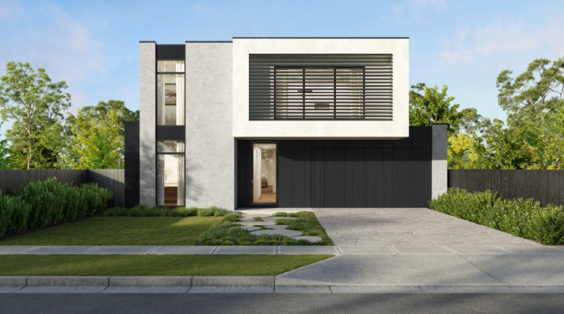 | The Riverton
12 | Double Storey Floor Plan | 50SQ Concept 1 Rev A.pdf | CLASSICAL FACADE 1 REV B.jpg |  | The Hawthorne
13 | Double Storey Floor Plan | 55SQ Concept 1 Rev A.pdf | ULTRA CLASSICAL FACADE 1 REV A.jpg |  | The Marlowe

